IO Connection Matrix
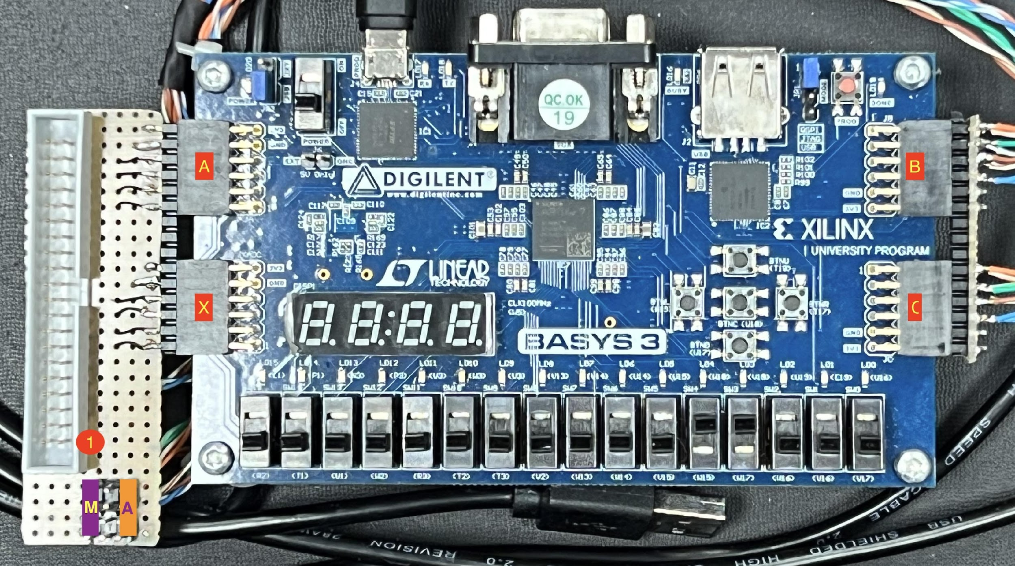
Connections Between the XST-4.0 Board and the Various XSA Boards |  |  |  |  |  |  |  |  |  |  |  |  |  |  |  | Rev | 2024-04-03

XStend Board |  |  |  |  | XSA-3S1000 | BASYS3
 |  |  |  |  |  |  |  | JP3,JP6 | JP4, JP5 | JP2 | JP1 | JP7, JP8 | JP9
Proto. Pin | Net Name | Direction | LEDs | Switches | FPGA Pin |  | J1 | Teclado | Adc | LCD | DotMatrix | IR | Leds | Fan | Altavoz | Zumbador | I2C | Motor | PMOD | JP
52 | GND |  |  |  | GND |  | 1
22 | +2.5V |  |  |  | +2.5V
54 | +3.3V |  |  |  | +3.3V
2 | +5V |  |  |  | +5V |  | 3
79 | ETHER-IRQ | IN | BAR6 |  | L15 | K17 | 4 |  |  |  |  |  |  | Out-0 |  |  |  | Out-0 | JC1 | M | * La notación corresponde con el vhdl y no con las transparencias
57 | PB-A0 | OUT | BAR1 | PB2 | L5 | L17 | 5 |  |  |  | * |  |  |  |  |  |  | Out-1 | JC7 | M | donde filas y columnas están cambiadas
56 | PB-A1 | OUT | BAR2 | PB3 | N2 | M18 | 6 |  |  |  |  |  |  |  |  |  |  | Out-2 | JC2 | M
51 | PB-A2 | OUT | BAR3 | PB4 | M3 | M19 | 7 |  |  |  |  |  |  |  |  |  |  | Out-3 | JC8 | M
23 | I2C-SCL | OUT |  |  | F5 | N17 | 8 |  |  |  |  |  |  |  |  |  | SCL |  | JC3
24 | I2C-SDA | IN/OUT |  |  | D2 | P17 | 9 |  |  |  |  |  |  |  |  |  | SDA |  | JC9
71 | PB-D0 | IN/OUT |  | DIPSW1 | P12 | P18 | 10 |  |  | RS | Col_Serial_OUT |  | R-0 |  |  |  |  |  | JC4
40 | PB-D1 | IN/OUT |  | DIPSW2 | J1 | R18 | 11 |  |  |  | Col_Clk |  | B-0 |  |  |  |  |  | JC10
39 | PB-D2 | IN/OUT |  | DIPSW3 | H1 | A14 | 12 |  |  | E | Row_Reset |  | G-0 |  |  |  |  |  | JB1
38 | PB-D3 | IN/OUT |  | DIPSW4 | H3 | A15 | 13 |  |  | D0 | Row_Serial_OUT |  |  |  |  |  |  |  | JB7
35 | PB-D4 | IN/OUT |  | DIPSW5 | G2 | A16 | 14 |  |  | D1 | Row_Clk |  |  |  |  |  |  |  | JB2
80 | PB-D5 | IN/OUT |  | DIPSW6 | K15 | A17 | 15 |  |  | D2 | Col_Reset |  |  |  |  |  |  |  | JB8
81 | PB-D6 | IN/OUT |  | DIPSW7 | K16 | B15 | 16 |  |  | D3 |  |  |  |  |  |  |  |  | JB3
10 | PB-D7 | IN/OUT |  | DIPSW8 | F15 | C15 | 17 |  |  | D4 |  |  |  |  |  |  |  |  | JB9
27 | PB-D8 | IN/OUT | LED2-A |  | E2 | B16 | 18 |  |  | D5 |  |  |  |  |  |  |  |  | JB4
28 | PB-D9 | IN/OUT | LED2-B |  | E1 | C16 | 19 |  |  | D6 |  |  |  |  |  |  |  |  | JB10
29 | PB-D10 | IN/OUT | LED2-C |  | F3 | J3 | 20 |  |  | D7 |  |  |  |  |  |  |  |  | JX1
32 | PB-D11 | IN/OUT | LED2-D |  | F2 | K3 | 21 | Scan-3 | Clock |  |  |  |  |  |  |  |  |  | JX7
33 | PB-D12 | IN/OUT | LED2-E |  | G4 | L3 | 22 | Scan-2 | Start |  |  |  |  |  |  |  |  |  | JX2
34 | PB-D13 | IN/OUT | LED2-F |  | G3 | M3 | 23 | Scan-1 | OE |  |  |  |  |  |  |  |  |  | JX8
36 | PB-D14 | IN/OUT | LED2-G |  | G1 | M2 | 24 | Scan-0 | Address A |  |  |  |  |  |  |  |  |  | JX3
37 | PB-D15 | IN/OUT | LED2-DP | PB1 | H4 | M1 | 25 |  | Address B |  |  |  |  |  |  |  |  |  | JX9
61 | PB-RD# | OUT |  |  | P2 | N2 | 26 |  | Address C |  |  |  |  |  |  |  |  |  | JX4
62 | PB-WR# | OUT |  |  | R1 | N1 | 27 |  | ALE |  |  |  |  |  |  |  |  |  | JX10
18 | SLOT1-CS# | OUT |  |  | E15 | J1 | 28 |  |  |  |  |  | R-1 |  |  |  |  |  | JA1
84 | SLOT1-IRQ | IN | BAR9 |  | J16 | H1 | 29 |  |  |  |  |  | B-1 |  |  |  |  |  | JA7
19 | SLOT2-CS# | OUT |  |  | D16 | L2 | 30 |  |  |  |  | Out-01 | G-1 |  |  |  |  |  | JA2
83 | SLOT2-IRQ | IN | BAR10 |  | J14 | K2 | 31 | Return-3 | In-7 |  |  | In-01 | R-2 |  |  |  | /INT |  | JA8
 |  |  |  |  |  |  | 32 |  |  |  |  |  |  | In-0
4 | VIDIN-Y0 | IN | LED1-A |  | H14 | J2 | 33 | Return-2 | In-6 |  |  |  |  |  |  |  |  |  | JA3
59 | VIDIN-Y1 | IN | LED1-B |  | M4 | H2 | 34 | Return-1 | In-5 |  |  |  |  |  |  |  |  |  | JA9
58 | VIDIN-Y2 | IN | LED1-C |  | P1 | G2 | 35 | Return-0 | In-4 |  |  |  |  |  |  |  |  |  | JA4
60 | VIDIN-Y3 | IN | LED1-D |  | N3 | K17 | 36 |  | In-3 |  |  |  |  |  |  |  |  |  | JC1 | A
78 | VIDIN-Y4 | IN | LED1-E |  | M15 | L17 | 37 |  | In-2 |  |  |  |  |  |  |  |  |  | JC7 | A
5 | VIDIN-Y5 | IN | LED1-F |  | H13 | M18 | 38 |  | In-1 |  |  |  |  |  |  |  |  |  | JC2 | A
6 | VIDIN-Y6 | IN | LED1-G |  | G16 | M19 | 39 |  | In-0 |  |  |  | B-2 |  | Out-0 |  |  |  | JC8 | A
77 | VIDIN-Y7 | IN | LED1-DP |  | N15 | G3 | 40 |  | EOC |  |  |  | G-2 |  |  | Out-0 |  |  | JA10

